Sheet1
 |  |  |  |  |  |  |  |  |  | Setup Data Sheet |  |  |  |  |  |  |  | Rod End Bearing

ROD ENG
ROD ENG
ROD ENG
MACHINE : |  |  |  |  |  |  | PART NO : |  | REV : |  | PROCESS : |  | SETUP DATA SHEET REV. |  | PREPARED | CHECKED | APPROVED
CYCLE TIME : |  | sec |  |  |  |  | C/N : |  |  |  | PROGRAM NO :
CATEGORY : |  |  |  |  |  |  | MAT'L TYPE : |  |  |  | PROGRAM NAME :
NOTE :

REV. | ECN NO. |  |  | DATE |  | DESCRIPTION |  |  |  |  |  |  | REMARK |  | SAMPLE NO :

 |  |  |  |  |  |  |  |  |  |  |  |  |  |  | REASON OF CHANGE :

TOOLING & GRINDING CONDITION
 |  |  |  |  |  |  |  |  |  |  |  |  |  |  | SPHERICAL GRINDING AREA
FEED CONDITION |  |  |  |  |  |  | T01 | T02 |  |  | T03 | T04 |  | T05
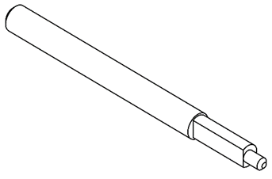
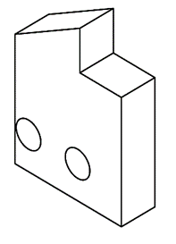
FAST FEED |  |  | mm |  | mm/s |  | 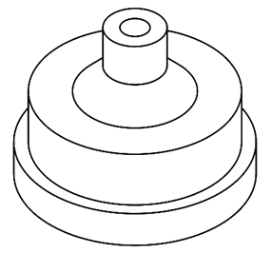 | 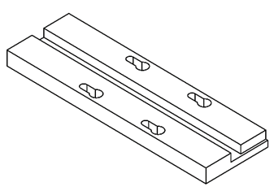 |  |  |  | 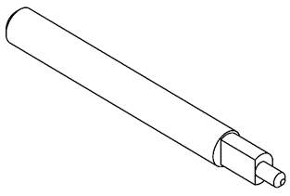
SLOW FEED |  |  | mm |  | mm/s

DRESS CONDITION
DRESS INTERVAL |  |  |  |  | pcs

DRESS CONDITION |  |  |  |  |  |  | Tooling No : | Tooling No : |  |  | Tooling No : | Tooling No : |  | Tooling No :
R. DRESS |  |  |  |  | mm |  | Maker : | Maker : |  |  | Maker : | Maker : |  | Maker :
S. DRESS |  |  |  |  | mm |  | T06 | T07 |  |  | T08 | T09 |  | T10

WORK |  |  |  |  | mm
MACHINE CONDITION
MAIN DRESS SPEED |  |  |  |  | rpm
WORK MOTOR |  |  |  |  | rpm
MAG. CHUCK |  |  |  |  | A

 |  |  |  |  |  |  | Tooling No : | Tooling No : |  |  | Tooling No : | Tooling No : |  | Tooling No :
 |  |  |  |  |  |  | Maker : | Maker : |  |  | Maker : | Maker : |  | Maker :

 |  |  |  |  |  |  |  |  |  |  |  |  |  |  | GRINDING WHEEL DETAILS
 |  |  |  |  |  |  |  |  |  |  |  |  |  |  | WHEEL SPEC
 |  |  |  |  |  |  |  |  |  |  |  |  |  |  | WHEEL SIZE
NMB Minebea Thai Ltd.

